1. Title Page
Instacart Grocery Basket Analysis

Project Name: Instacart Grocery Basket Analysis
Date: Sept, 17 2022
Analyst Name: Michael Curran

Contents:
Population Flow
Consistency checks
Wrangling steps
Column derivations
Visualizations
Recommendations

“The Instacart Online Grocery Shopping Dataset 2017”, Accessed from https://www.instacart.com/datasets/grocery-shopping-2017 on 8/17/2022.
The customer data and the “prices” column in the products data set were both fabricated for the purpose of this learning analysis.

2. Population Flow
Title page

Population flow

Exclusion flag
Condition: max_order < 5
Obervations to be removed: 1,440,295
Final total count of order_products_all: 30,964,564

Orders_products_combined
Orders_products_merged
Orders_products_all

Total: 32,404,859
Total: 32,434,489
Total: 32,404,859

3. Consistency checks
 |  |  |  |  | Title page
Consistency checks

Dataset | Column | Missing values | Missing values treatment | Duplicates
orders | days_since_prior_order | 206,209 NaN | no action taken - indicates first order | no duplicate values found
products | product_name | 16 NaN | created subset without missing values | 5 records with exact duplicates removed
orders_products_prior |  | no missing values found |  | no duplicate values found
customers | first_name | 11259 NaN | nothing - not critical to analysis | no duplicate values found

4. Wrangling steps
 |  |  |  |  | Title page
Wrangling steps

Columns dropped | Column dropped | Columns renamed | Columns' type changed | Comment/Reason
orders | evel_set |  |  | not needed for analysis
 |  | order_dow --> orders_day_of_week |  | name was not clear
 |  | days_since_prior_order --> days_since_last_order | user_id --> str | name was not clear
 |  |  | order_id --> str | column acts as key
customers |  | Firt Name --> first_name |  | name was not clear
 |  | Surnam --> last_name |  | name was not clear
 |  | Gender --> gender |  | name was not clear
 |  | STATE --> state |  | name was not clear
 |  | Age --> age |  | name was not clear
 |  | n_dependants --> num_of_dempendants |  | name was not clear
 |  | fam_status --> marital_status |  | name was not clear
ords_prods_cust | first_name |  |  | PII issues
 | last_name |  |  | PII issues
 | aisle_id |  |  | not necessary for analysis
 | _merge |  |  | not necessary for analysis

5. Column derivations
 |  |  |  | Title page

Column derivations and aggregations

Dataset | New column | Column/s it was derived from | Conditions
orders_products_derived | price_range | prices | If price <= $5, it will be labeled a “low-range product.” If price > $5 but l<= $15, it will be labeled a “mid-range product.” If price > $15, it will be labeled a “high-range product.”
 | busiest_days | orders_day_of_week | if day 0 or 1- 'busiest day', if day 4 or 3- 'least busy', else-'regularly busy'
 | busiest_period_of_day | order_hour_of_day | if hour of day <=16 and >=9, then 'most orders', if hour of day <6 then 'fewest orders', else - 'average orders'.
orders_products_grouped | max_order | user_id, order_number | maximum orders per customer
 | loyalty_flag | max_order | if max_order>40, customer is 'loyal customer', if max_order<=40 and>10, then customer is 'regular customer', if max_order<=10 then customer is 'new customer'.
 | avg_price | user_id, prices | user based on the average price across all their orders
 | spender_flag | avg_price | if average_price<10, then customer is 'low spender', if average_price>=10, then customer is 'high spender'
 | median_order_freq | user_id, days_since_prior_order | regularity of a user’s ordering behavior according to the median in the “days_since_prior_order” column
 | frequency_flag | median_order_freq | if median_order_days >20, then customer is 'non-frequent customer' if median_order_days >10 and <=20, then customer is 'regular customer', if median_order_days<=10, then customer is 'frequent customer'
active_customers | region | state | states were divided into 4 regions: South, West, Midwest, Northeast
 | activity | max_order | If max order is greater than or equal to 5, the customer is active; otherwise, the customer is not active and should be left out of the analysis.

6. Visualizations
 |  |  |  |  |  |  |  |  |  |  | Title page

Visualisations

Q1. The sales team needs to know what the busiest days of the week and hours of the day are in order to schedule ads at times when there are fewer orders.
 | Recommendation: The best time to run ads is between 4 PM and 9 AM EST on weekdays, when consumer demand is lowest.
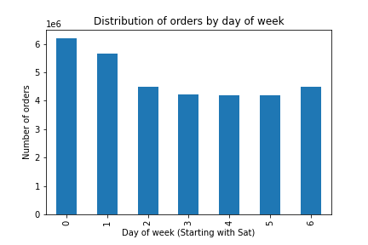


 | This bar graph illustrates daily orders. Most orders come in on the weekend, so ads might run during the week. |  |  |  |  |  | This histogram illustrates hourly ordering. Most orders are placed from 9am to 4pm. Schedule ads outside of this time.

Q2. They also want to know whether there are particular times of the day when people spend the most money, as this might inform the type of products they advertise at these times.
 | Recommendation: Ads for premium products should be scheduled between the hours of midday and early morning.
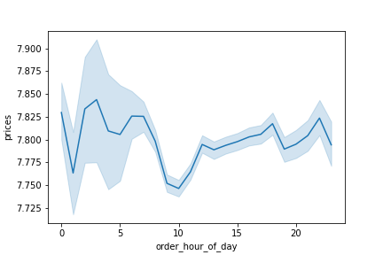

 |  | The line chart illustrates hourly product prices. Most expensive products are bought from 1 am to 7 am.

Q3. Instacart has a lot of products with different price tags. Marketing and sales want to use simpler price range groupings to help direct their efforts.
 | Recommendation: It's possible that the price range group is overly simplistic. The marketing and sales departments should rethink their strategies and then reevaluate their results.


 |  |  |  |  |  |  | The histogram to the left shows how the prices of products are spread out. Most of the prices here are less than 15 dollars.

 |  |  |  |  |  |  | The products, therefore, have been grouped as follows:
 |  |  |  |  |  |  | If the item’s price is lower than or equal to $5, it will be labeled a “low-range product.”
 |  |  |  |  |  |  | If the item’s price is above $5 but lower than or equal to $15, it will be labeled a “mid-range product.”
 |  |  |  |  |  |  | If the item's price is above $15, it will be labled a "high-range prodict."

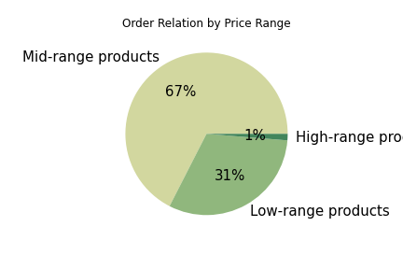
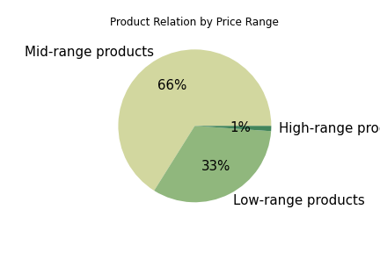

 | The pie chart shows how orders are made up by product ranges. Here, we can see that most orders (67%) are for mid-priced items. Only 1% of the orders are for high-end products. |  |  |  |  |  |  | The pie chart shows how many products are in each price range. We can see that most products (66%) are in the middle price range. Only 1% of the products are in the high range.

Q4. Are there certain types of products that are more popular than others? The marketing and sales teams want to know which departments have the highest frequency of product orders.
 | Recommendation: Food, especially produce and dairy eggs, is the most popular thing that is sold. Personal items and household goods should be given extra thought because we have a lot of them, but they aren't very popular.

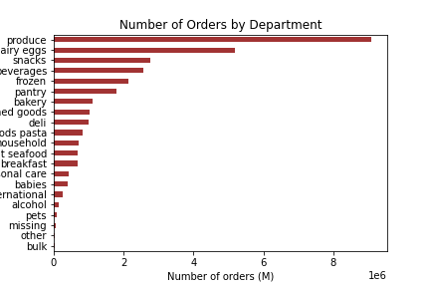
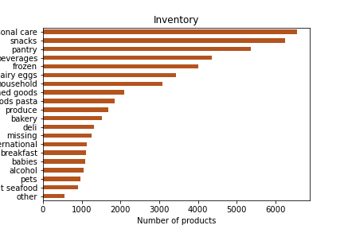

 | The chart above shows departmental orders. Produce, dairy/eggs, snacks, beverages, and frozen were the most popular. Bulk purchases were the least popular. |  |  |  |  |  |  | The chart above shows departmental product numbers. Personal care has the most products, followed by snacks, pantry, beverages, and frozen.

Q5. What’s the distribution among users in regards to their brand loyalty?
 | Recommendation: In order to increase sales, targeted advertisements should be shown to both new and regular clients to increase frequency of orders and sales.

 | Customers were grouped into 3 categories based on the amount of their orders: New customer- equal to or less than 10 orders Regular customer - more than 10 orders, but less than 40 orders Loyal customer - more than 40 orders |  |  |  |  |  |  |  | About half of both customer distribution and orders come from regular customers. Even though loyalty customers only make up 10% of our customers, they order 33% of all orders.

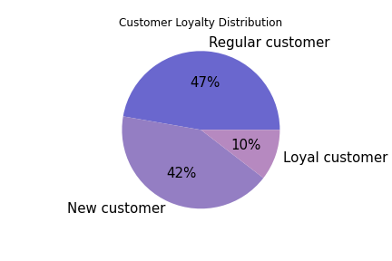
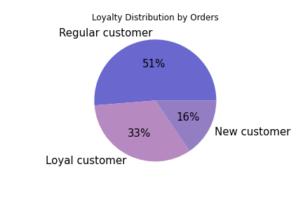

Q6. Are there differences in ordering habits based on a customer’s loyalty status?
 | Recommendation: Sending regular reminders to both new and regular customers to place orders will encourage them to keep doing so.

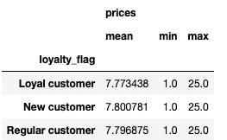
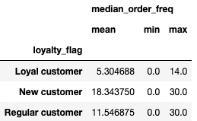
 |  |  |  |  |  |  |  |  |  | Although each customer places an order for roughly the same amount of money, loyal consumers place orders more frequently than any other customer type. New customers take on average 18 days, being of the slowest customer type.

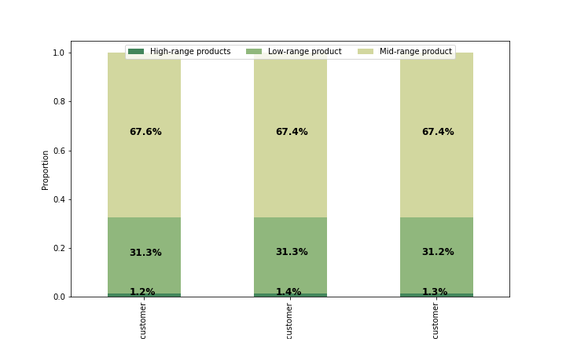

 |  |  | Loyal Customer |  | New Customer |  | Regular Customer

Q7. Are there differences in ordering habits based on a customer’s region?
 | Recommendation: The number of customers from each region is comparable to the number of people who live there. So the ads should be made to attract more customers in all areas. Other than that, spending habits in different places are the same.

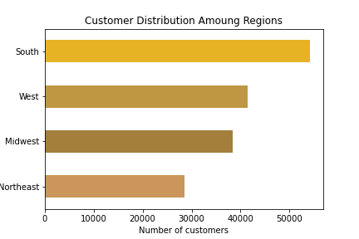

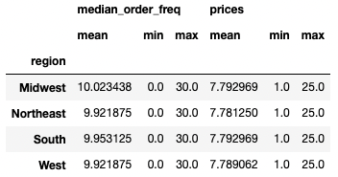

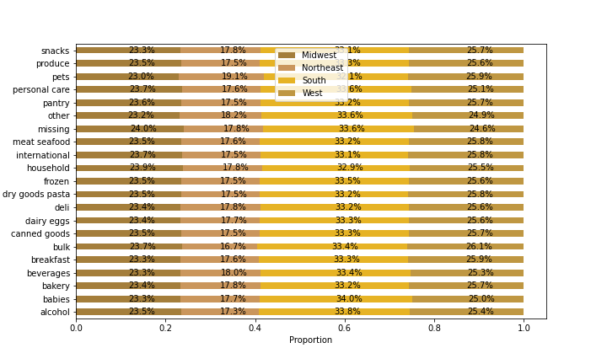

Q8. Is there a connection between age in terms of ordering habits?
 | Recommendation: The number of customers should grow by making ads for both young and older people. Ads should run from 4 p.m. to 9 a.m. during the week for customers of all ages, because they all order around the same time.

 | Customers were grouped into 4 categories based on their age: Young - 29 or younger Middle - older than 29 and younger than 50 Older - 50 plus but younger than 65 Elderly - 65+

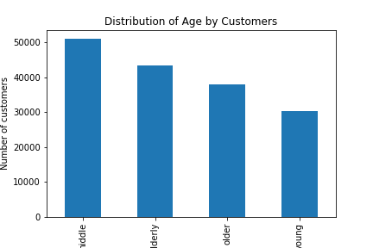

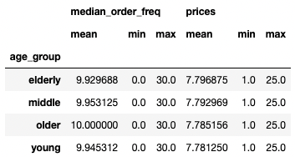

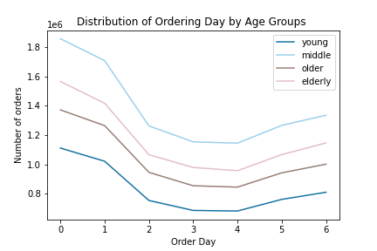
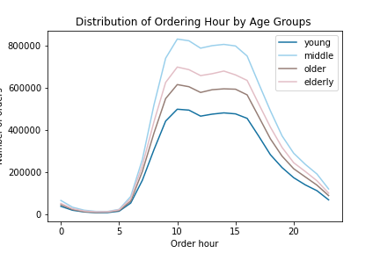

 |  | 0 = Saturday

Q9. What different classifications does the demographic information suggest? Age? Income? Certain types of goods? Family status?
 | Recommendation: Customers with higher incomes could be shown ads for more expensive products, and customers with lower incomes could be shown ads for cheaper or mid-range products.

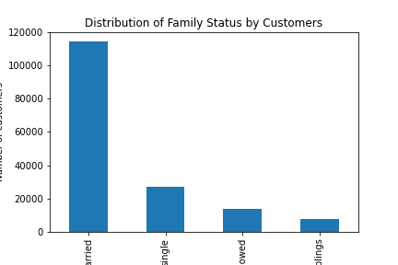

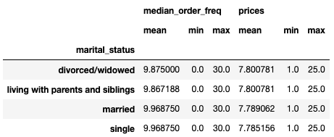

 |  |  | Married | Single |  | Divorced/Widowed | Living with parents / siblings
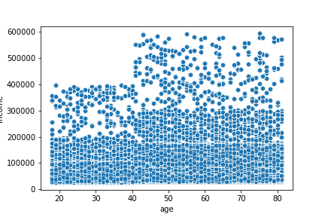

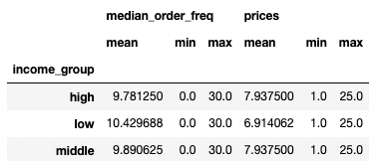

 |  |  | The above scatterplot shows the relationship between how old a customer is and how much money they make. People over 40 have a maximum income of around $600,000, while people under 40 have a maximum income of $400,000.

Q10. What differences can you find in ordering habits of different customer profiles?
 | Recommendation: Customers should be shown targeted ads based on their past product history. This will get them to order more and become loyal customers. Only people who have bought baby and pet stuff should see ads for it, since these are pretty specific items and only a small number of people have bought them.

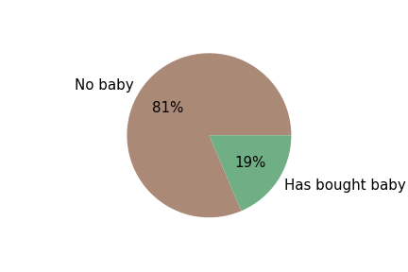

 |  | The pie chart shows how many people have bought baby items and how many people have never bought baby items.

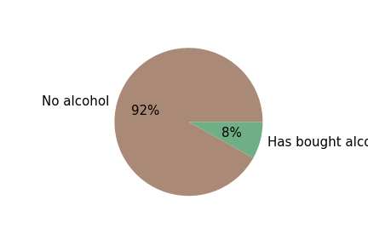

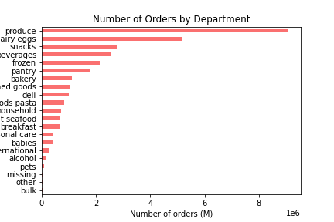

 |  | The pie chart shows how many people have bought alcohol items and how many people have never bought alcohol items.

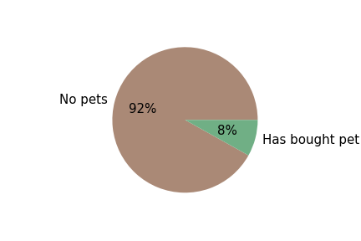

 |  | The pie chart shows how many people have bought pet items and how many people have never bought pet items.

7. Recommendations
 |  | Title page

Recommendations

Question | Answer
1. The sales team needs to know what the busiest days of the week and hours of the day are (i.e., the days and times with the most orders) in order to schedule ads at times when there are fewer orders.
 | The best time to run ads is between 4 PM and 9 AM EST on weekdays, when consumer demand is lowest.

2. They also want to know whether there are particular times of the day when people spend the most money, as this might inform the type of products they advertise at these times.
 | Ads for premium products should be scheduled between the hours of midday and early morning.

3. Instacart has a lot of products with different price tags. Marketing and sales want to use simpler price range groupings to help direct their efforts.
 | It's possible that the price range group is overly simplistic. The marketing and sales departments should rethink their strategies and then reevaluate their results.

4. Are there certain types of products that are more popular than others? The marketing and sales teams want to know which departments have the highest frequency of product orders.
 | Food, especially produce and dairy eggs, is the most popular thing that is sold. Personal items and household goods should be given extra thought because we have a lot of them, but they aren't very popular.

5. What’s the distribution among users in regards to their brand loyalty?
 | In order to increase sales, targeted advertisements should be shown to both new and regular clients to increase frequency of orders and sales.

6. Are there differences in ordering habits based on a customer’s loyalty status?
 | Sending regular reminders to both new and regular customers to place orders will encourage them to keep doing so.

7. Are there differences in ordering habits based on a customer’s region?
 | The number of customers from each region is comparable to the number of people who live there. So the ads should be made to attract more customers in all areas. Other than that, spending habits in different places are the same.

8. Is there a connection between age in terms of ordering habits?
 | The number of customers should grow by making ads for both young and older people. Ads should run from 4 p.m. to 9 a.m. during the week for customers of all ages, because they all order around the same time.

9. What different classifications does the demographic information suggest? Age? Income? Certain types of goods? Family status?
 | Customers with higher incomes could be shown ads for more expensive products, and customers with lower incomes could be shown ads for cheaper or mid-range products.

10. What differences can you find in ordering habits of different customer profiles?
 | Customers should be shown targeted ads based on their past product history. This will get them to order more and become loyal customers. Only people who have bought baby and pet stuff should see ads for it, since these are pretty specific items and only a small number of people have bought them.

